Sheet1
Energy Flow in the US Food System

 | Percent of Energy Consumed(Input) per year | Energy Consumed(Input) per year(Quads)
Agricultural production | 14% | 1.988
Transportation | 4% | 0.568
Processing industry | 19% | 2.698
Packaging material | 6% | 0.852
Wholesale & retail | 16% | 2.272 | https://css.umich.edu/factsheets/us-food-system-factsheet
Food services | 13% | 1.846
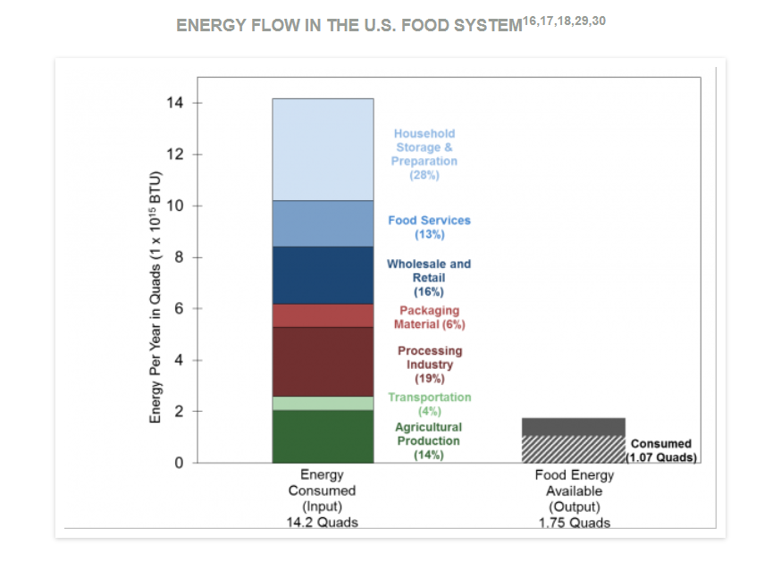
Household storage & preparation | 28% | 3.976

 | Food energy Available (Output) (Quads)
Consumed | 1.07
Waste | 0.68

